Instructions
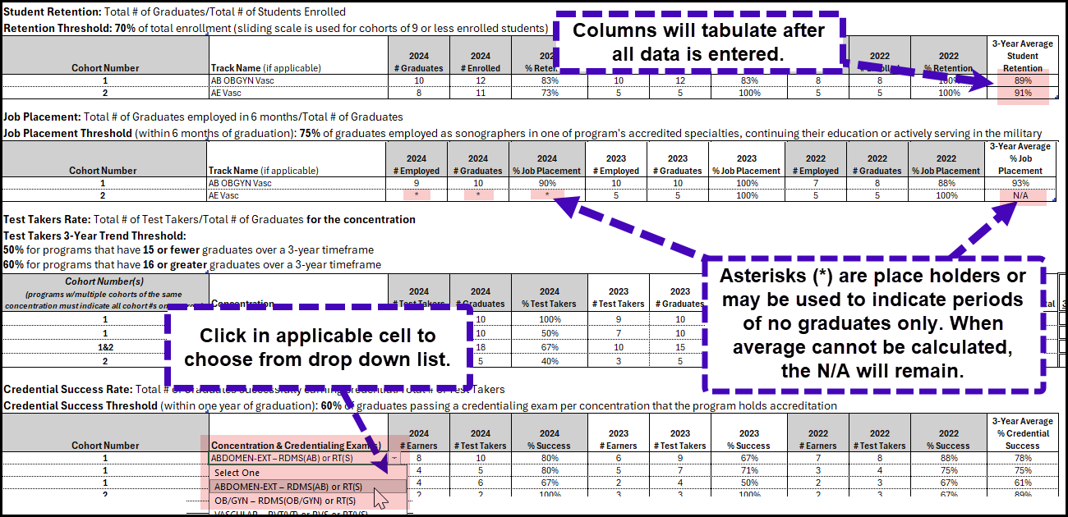
Contact the JRC-DMS (online-accredit@jrcdms.org) if you need to add cohorts or concentrations, you feel there is an error on your template or you are not able to complete the template as described. When emailing the JRC-DMS about your program's template please attach the template to the message.

 | Instructions for completing and posting the program effectivenesss/outcomes template:
 | 1. | Carefully review all 2022 and 2023 data that was entered for you and fill in the applicable 2024 data for each section. The Annual Report and the data entered in the template are expected to match. Refer to the additional information and screen cap below. - Upon entering all values, the associated column(s) or cells will be automatically calculated. - Asterisks(*) are place holders for the % calculations, or they may be used only to indicate periods of no graduates. - When the three year average cannot be calculated, for example when there were only two years of graduates, the N/A will remain in the 3-year average column.
NEW! | 2. | As of November 2025, the test takers section was modified. - Columns were added for the total number of graduates over the 3 years and the % test takers 3-year trend. - For the 'Cohort Number(s)' column, programs that have multiple cohorts of the same concentration must indicate the applicable cohort numbers on one row. EXAMPLE: A program accredited in AB, OBGYN, AE and Vascular has two cohorts graduate each year. Cohort 1 concentrations are AB, OBGYN and Vasc. Cohort 2 is AE and Vascular. For AB and OBGYN the program would enter cohort 1 and the AB data, on the next row cohort 1 and the OBGYN data would be entered for each of the three years. AE would follow the same, the program would enter cohort 2 and the data. For documenting the vascular test takers outcomes, in the Cohort(s) column, 1 and 2 would be listed. Then the combined number of graduates and test takers in the vascular concentration are entered in by the program for the current reporting year. --------------------------------------------------------------------->------------------------------------------------------------------>
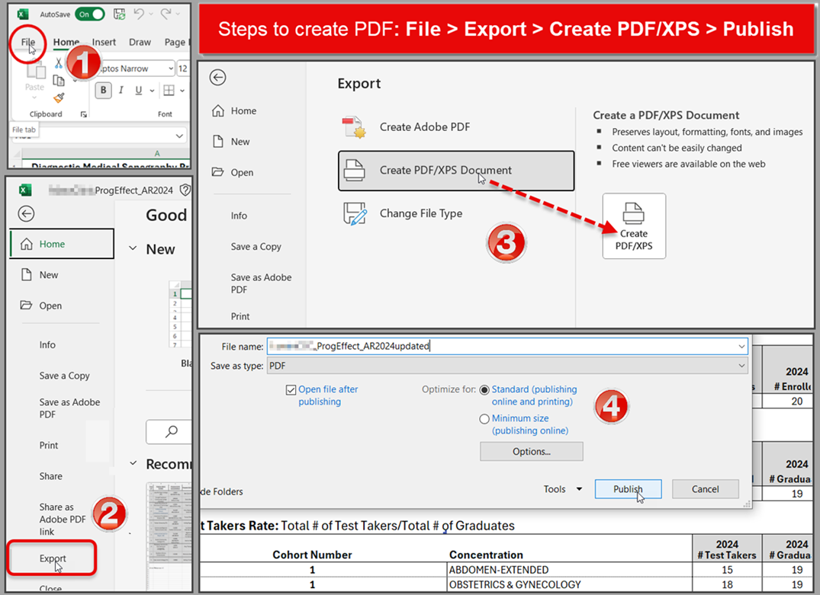
 | 3. | Once completed, save and label the Outcomes worksheet in the Program name_ProgEffectivenessAR2024 format (i.e., XYZCollege_ProgEffectivenessAR2024.xls). Abbreviating the program name i.e., AbcUniv or XyzCC is acceptable. The file uploaded to the Annual Report instrument must be an xls file.
 | 4. | The template must be posted on the program's website in place of any other past outcomes data. Remember per the JRC-DMS policy, the link on the website must be labeled as Program Effectiveness Data.
 | 5. | The method to save the xls as a pdf is go to File > Click Export > Select Create PDF/XPS Document and then click the Create PDF/XPS button > Enter the file name and Click Publish Refer to adjacent screencap for additional reference ------------------------------------------------------------------>---------------------------------------------------------------------->-------------------------------------------------------------------------->

 | Below is additional information related to each section or calculation. For some fields you must click in the cell to access the white tab and select the data from a list. Student Retention: The total number of students enrolled per cohort = the calculated total of students in the cohort (admitted students + reentry students). AKA the Cohort Size. Job Placement: The employed grads is the total number of graduates in each cohort employed as sonographers in one of the program's accredited specialties, continuing their education, or actively serving in the military within six months of graduation. Test-Takers Trend: The total number of test takers = the number of graduates attempting to earn a credential indicated for that concentration, over three years Credential Success Rate: The number of earners = The total number of graduates in each cohort successfully obtaining the credential in a specified concentration within one year of graduation. Do not count the number of attempts (individuals who retake the same test due to not passing it on their first attempt). Do not count the same student twice if they sat for more than one test in a particular concentration (Examples: Student A sat for the RDCS(AE) exam twice and passed it on the second attempt = 1 graduate test-taker who earned the credential. Student B sat for only the RDMS(AB) and R.T.(S) and passed both exams on the first attempt= 1 graduate test-taker who earned the credential for AB-Ext, if program is also accredited in OB/GYN then student B also = 1 graduate test-taker who earned the (RT(S)) credential for OB/GYN.

